Cover

Critical Issues Tool©



1

Introduction
Introduction to becoming a Top Negotiator

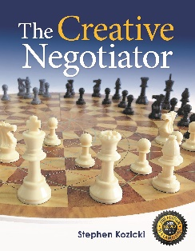
In business or your private life, to get the best possible outcomes, you must negotiate critical issues (CI) and understand who you are negotiating with. Your role as a fast paced, top negotiator is to identify all CI's and then decide on the top 4 then you will negotiate on value and not just price.
A critical issue needs to be substantive and pass three tests: - must be tangible - measureable - you must have the authority to trade it at the negotiation.
If your issue does not pass all three tests it is probably connected with the relationship, like trust or openness.
Using this structured tool will save you time planning for a negotiation and make you more creative.
When reaching an agreement there are normally four main critical issues amongst many. Price is usually one, but not the only one. The key is to know as much as possible about the other side and what they 'value'.
The more critical issues you have the better, as it allows for movement and developing alternatives, giving you more possible outcomes. Top negotiators who have more critical issues prepared will: - be considered better prepared - be less likely to negotiate aggressively - reach agreement more easily - capture a higher percentage of value.
Top negotiators should aim high but prepare more than one desired outcome. Without realising that different outcomes exist it's difficult to know: - where to start a negotiation - when you've achieved the best outcome - when to walk away.

©Gordian Business 1992. All rights reserved. | 3

Critical Issues Tool
Critical Issues Tool©
 | GOAL:

R | 0 |  |  | R | 0
 |  | Critical Issue 1: | Critical Issue 3:
A | 0 | 0 | 0 | A | 0

WPO | 0 |  |  | WPO | 0

CRITICAL
ISSUES

R | 0 |  |  | R | 0
 |  | Critical Issue 2: | Critical Issue 4:
A | 0 | 0 | 0 | A | 0

WPO | 0 |  |  | WPO | 0

©Gordian Business 1992. All rights reserved. |  |  |  |  |  | 8

